Clearance
Artist Quality Standard Canvas (17mm Depth) & Deep Edge Canvas (38mm Depth)

Product Description | Heavier Weight Superior 100% Cotton Cloth with 380gsm and Medium grain
 | Triple Primed ready to paint (top coat of acid free sizing)
 | Professionally stretched and mounted over a wooden frame with 38mm depth and stapled at the back
 | Ideal for oil or acrylics, collages or mixed media; Great for all level of artists and crafters .
 | A+ Class Solid Pine Wood Frame without any Knots; Extra supportive wooden bars for large size canvases
Small Size & Standard (17mm Depth)
Product Code | Product Name | PCS/CTN | Stock |  | RRP Value |  | 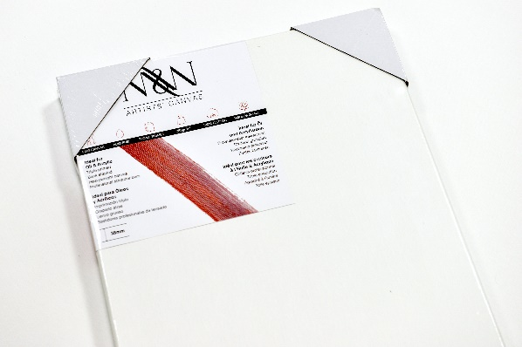 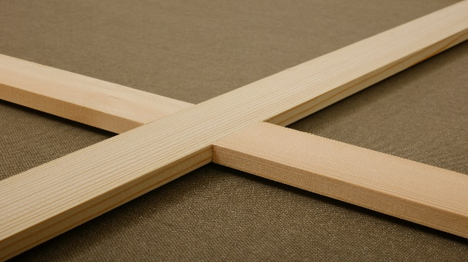
 |  |  | Pieces | Cartons | Price/Piece | Sub Total

MWCS2020 | 20x20 CM | 10 | 190 | 19 | £6.14 | £1,166.60
MWCS2050 | 50x20 CM | 5 | 175 | 35 | £10.24 | £1,792.00
MWCS5050 | 50x50 CM | 5 | 30 | 6 | £16.62 | £498.60
MWIS108 | 10 x 8 Inch | 10 | 400 | 40 | £6.82 | £2,728.00
MWIS1010 | 10 x 10 Inch | 10 | 200 | 20 | £7.58 | £1,516.00
MWIS124 | 12 x 4 Inch | 10 | 200 | 20 | £5.76 | £1,152.00
MWIS1210 | 12 x 10 Inch | 10 | 90 | 9 | £8.26 | £743.40
MWIS1212 | 12 x 12 Inch | 10 | 150 | 15 | £8.94 | £1,341.00
MWIS1410 | 14 x 10 Inch | 10 | 140 | 14 | £8.94 | £1,251.60
MWIS1616 | 16 x 16 Inch | 5 | 50 | 10 | £12.52 | £626.00
Medium Size & Standard (17mm Depth) |  |  |  |  |  |  | 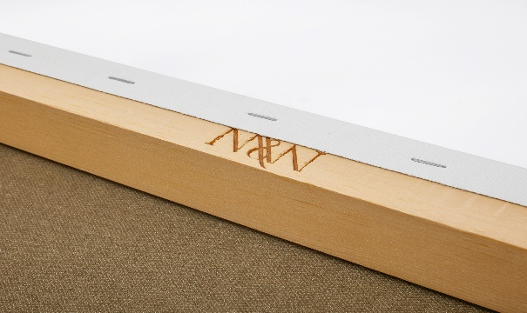
MWCS6030 | 60x30 CM | 5 | 125 | 25 | £14.72 | £1,840.00
MWCS6060 | 60x60 CM | 5 | 50 | 10 | £23.20 | £1,160.00
MWCS8030 | 80x30 CM | 5 | 135 | 27 | £18.96 | £2,559.60
MWIS2420 | 24 x 20 Inch | 5 | 30 | 6 | £19.80 | £594.00
MWIS2820 | 28 x 20 Inch | 5 | 85 | 17 | £22.60 | £1,921.00
MWIS2828 | 28 x 28 Inch | 5 | 80 | 16 | £30.72 | £2,457.60
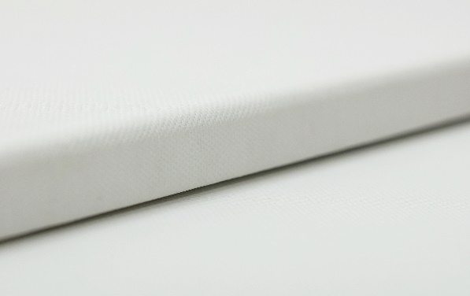
MWIS3020 | 30 x 20 Inch | 5 | 280 | 56 | £27.98 | £7,834.40
MWIS3024 | 30 x 24 Inch | 5 | 40 | 8 | £28.44 | £1,137.60
MWIS3224 | 32 x 24 Inch | 5 | 25 | 5 | £30.86 | £771.50
Large Size & Standard (17mm Depth)
MWCS10040 | 100x40 CM | 5 | 75 | 15 | £31.98 | £2,398.50
MWCS100100 | 100x100 CM | 2 | 40 | 20 | £53.48 | £2,139.20
MWCS12050 | 120x50 CM | 2 | 40 | 20 | £39.40 | £1,576.00
MWIS4012 | 40 x 12 Inch | 5 | 25 | 5 | £22.60 | £565.00
MWIS4036 | 40 x 36 Inch | 2 | 20 | 10 | £52.18 | £1,043.60
Small Size & Deep Edge (38mm Depth) |  |  |  |  |  |  | 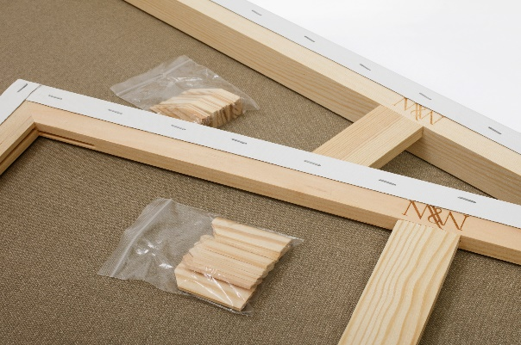 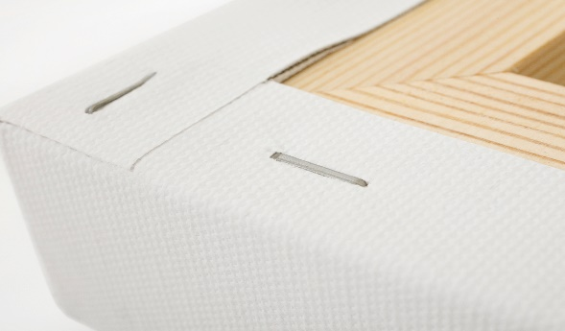
MWCD2020 | 20x20CM | 10 | 100 | 10 | £9.63 | £963.00
MWID108 | 10 x 8 Inch | 10 | 150 | 15 | £10.32 | £1,548.00
MWID126 | 12 x 6 Inch | 10 | 180 | 18 | £10.24 | £1,843.20
MWID1210 | 12 x 10 Inch | 10 | 320 | 32 | £12.52 | £4,006.40
MWID1212 | 12 x 12 Inch | 10 | 160 | 16 | £13.66 | £2,185.60
MWID1410 | 14 x 10 Inch | 10 | 120 | 12 | £13.58 | £1,629.60
MWID1414 | 14 x 14 Inch | 5 | 100 | 20 | £15.16 | £1,516.00
MWID166 | 16 x 6 Inch | 5 | 65 | 13 | £12.60 | £819.00
MWID1616 | 16 x 16 Inch | 5 | 75 | 15 | £18.94 | £1,420.50
MWID1814 | 18 x 14 Inch | 5 | 75 | 15 | £18.66 | £1,399.50
MWID208 | 20 x 8 Inch | 5 | 180 | 36 | £17.74 | £3,193.20
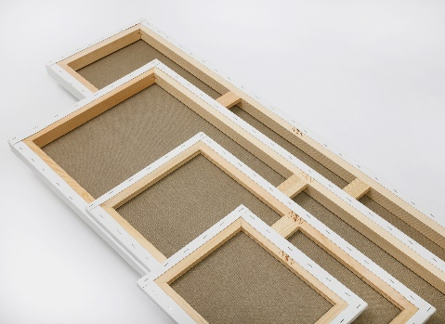
MWID2016 | 20 x 16 Inch | 5 | 50 | 10 | £26.31 | £1,315.50
Medium Size & Deep Edge (38mm Depth) |  |  |  |  |  |  | 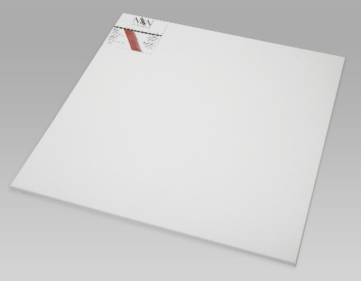
MWCD7050 | 70x50CM | 5 | 170 | 34 | £36.28 | £6,167.60
MWCD8040 | 80x40CM | 5 | 160 | 32 | £35.80 | £5,728.00
MWCD8060 | 80x60CM | 5 | 110 | 22 | £45.28 | £4,980.80
MWCD9035 | 90x35CM | 5 | 90 | 18 | £35.57 | £3,201.30
MWID2412 | 24 x 12 Inch | 5 | 155 | 31 | £24.20 | £3,751.00
MWID2418 | 24 x 18 Inch | 5 | 115 | 23 | £28.58 | £3,286.70
MWID2420 | 24 x 20 Inch | 5 | 125 | 25 | £30.56 | £3,820.00
MWID2424 | 24 x 24 Inch | 5 | 25 | 5 | £35.64 | £891.00
MWID3012 | 30 x 12 Inch | 5 | 160 | 32 | £28.60 | £4,576.00
MWID3024 | 30 x 24 Inch | 5 | 50 | 10 | £41.94 | £2,097.00
MWID3612 | 36 x 12 Inch | 5 | 45 | 9 | £33.44 | £1,504.80
Large Size & Deep Edge (38mm Depth) |  |  |  |  |  |  | 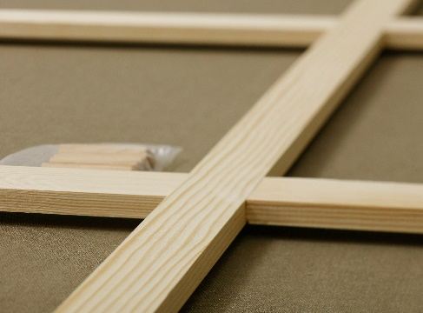
MWCD12030 | 120x30CM | 5 | 40 | 8 | £42.47 | £1,698.80
MWCD12040 | 120x40CM | 5 | 30 | 6 | £47.94 | £1,438.20
MWID4012 | 40 x 12 Inch | 5 | 45 | 9 | £36.26 | £1,631.70
MWID4016 | 40 x 16 Inch | 5 | 15 | 3 | £40.72 | £610.80
MWID4020 | 40 x 20 Inch | 5 | 15 | 3 | £45.96 | £689.40
Orpington Stock | Mixed
MWCD9035 | 90x35CM | 5 | 5 | 1 | £35.57 | £177.85
MWID2016 | 20 x 16 Inch | 5 | 10 | 2 | £26.31 | £263.10
MWIS4036 | 40 x 36 Inch | 2 | 2 | 1 | £52.18 | £104.36
MWCS9090 | 90x90 CM | 5 | 5 | 1 | £53.48 | £267.40
MWIS108 | 10 x 8 Inch | 10 | 20 | 2 | £6.82 | £136.40
MWID108 | 10 x 8 Inch | 10 | 20 | 2 | £10.32 | £206.40
MWID4016 | 40 x 16 Inch | 5 | 5 | 1 | £40.72 | £203.60
MWIS1210 | 12 x 10 Inch | 10 | 20 | 2 | £8.26 | £165.20
MWID1410 | 14 x 10 Inch | 10 | 10 | 1 | £13.58 | £135.80
MWID1210 | 12 x 10 Inch | 10 | 10 | 1 | £13.21 | £132.10
MWID1814 | 18 x 14 Inch | 5 | 5 | 1 | £18.66 | £93.30
MWID1010 | 10X10 Inch | 10 | 20 | 2 | £11.78 | £235.60
 |  |  |  |  |  | TOTAL
£

